Sheet1
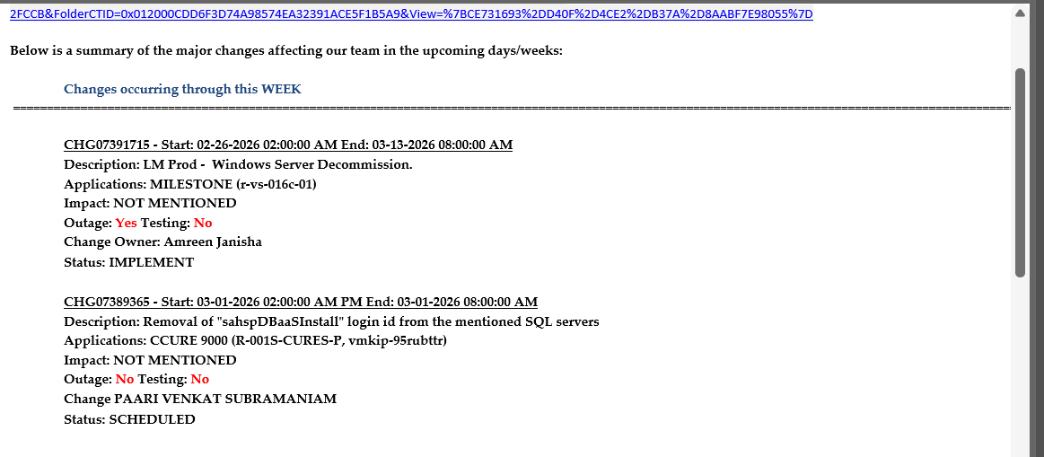
Matched servers: r-vs-016c-01, R-001S-CURES-P, vmkip-95rubttr, ccure 9000(application name)

